Intro
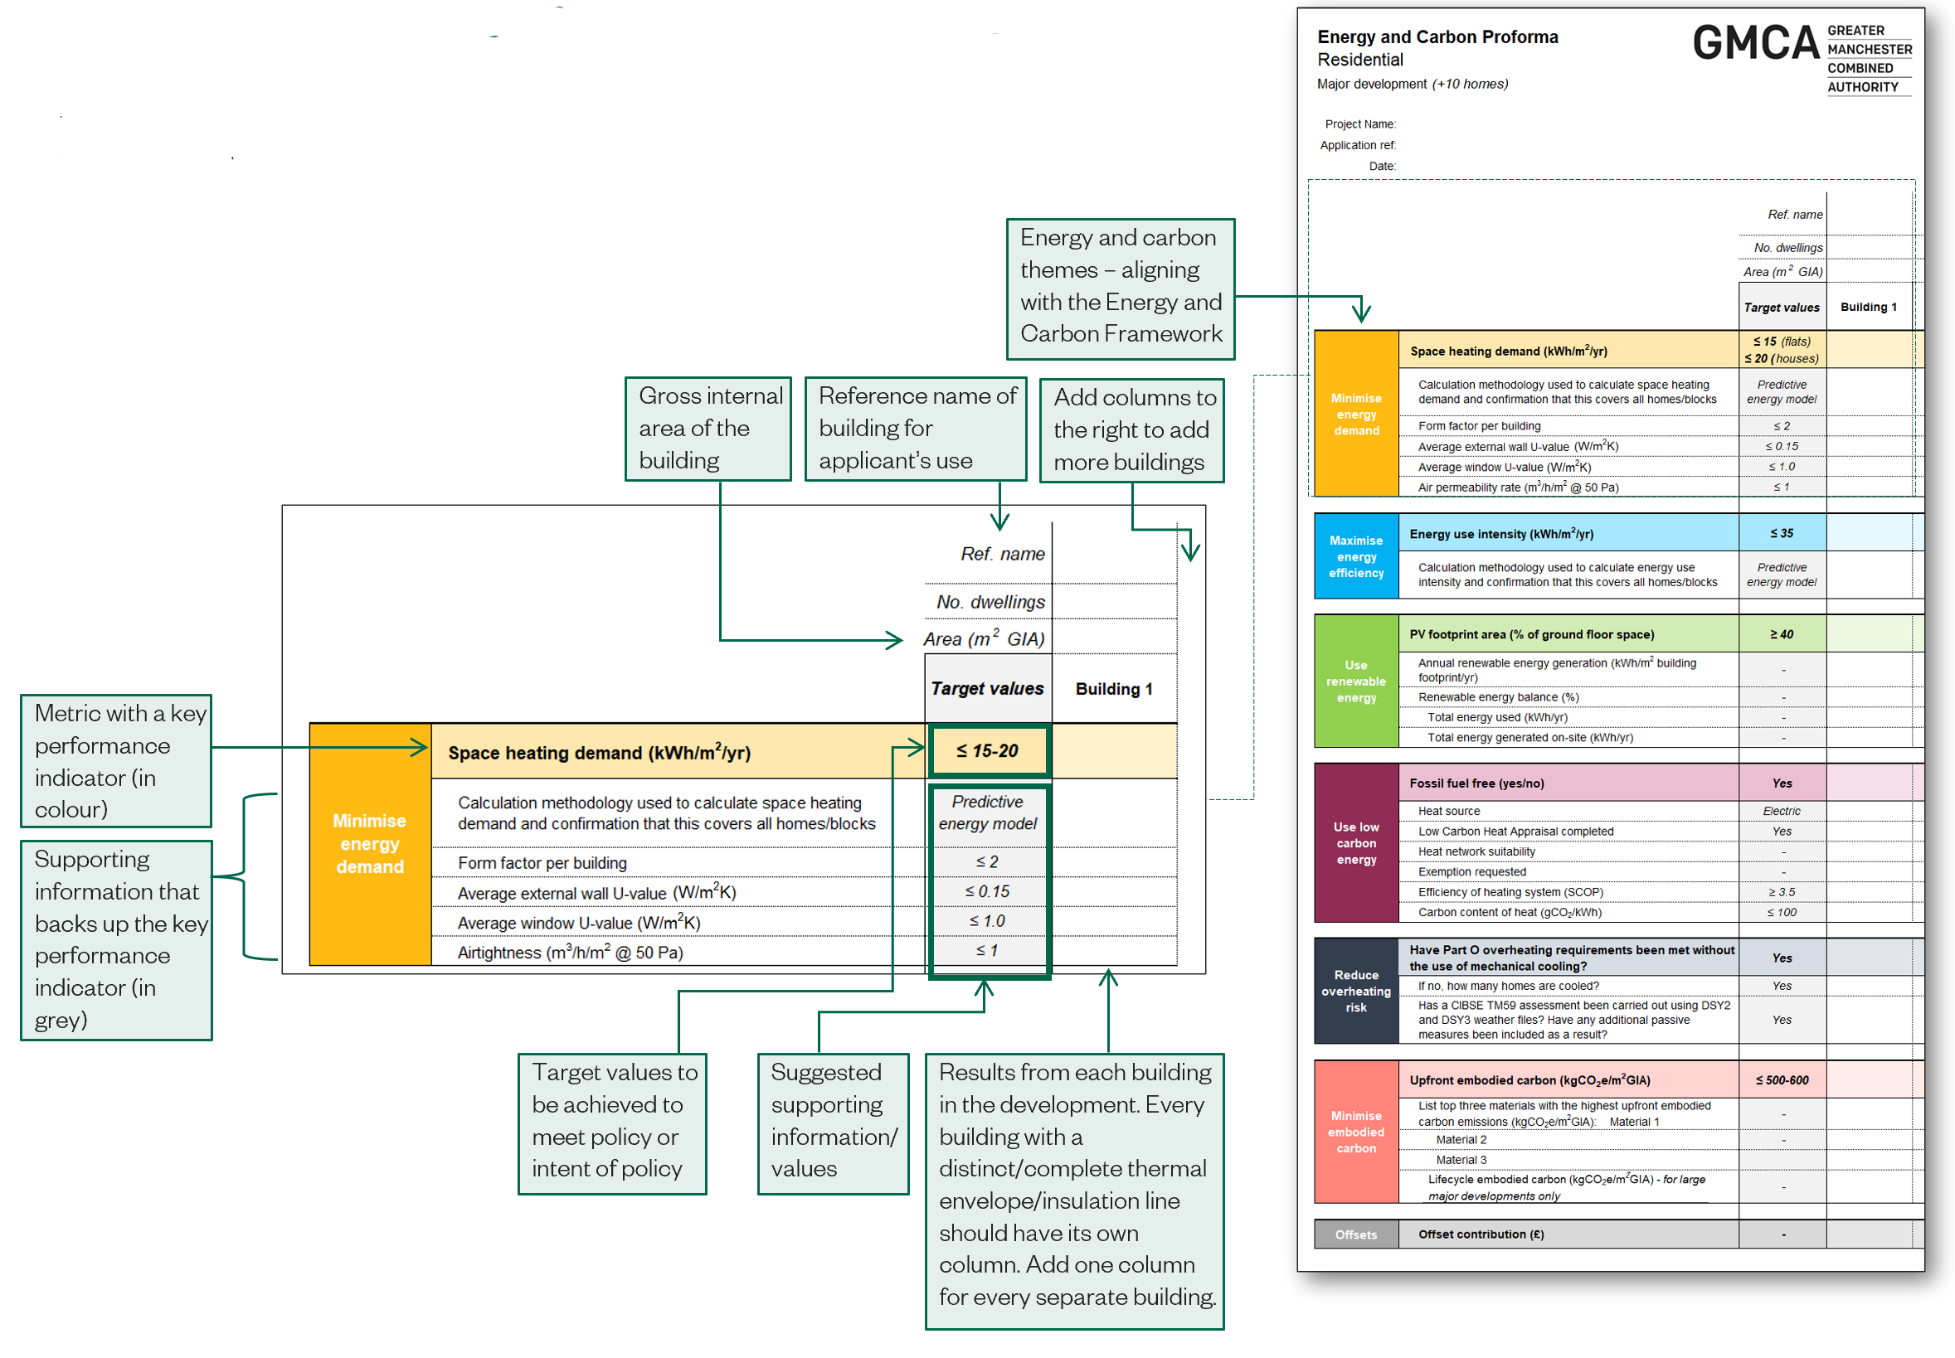
Energy and Carbon Proforma Introduction Version 1.0

What is the Energy and Carbon Proforma The Energy and Carbon Proforma is a tool to summarise the energy and carbon performance of a project. It requires information to be completed on the themes listed in the Energy and Carbon Framework.

Why the Energy and Carbon Proforma is important The energy and carbon proforma eases communication between applicants and planning officers, helping to determine if the full potential of a project from an energy and carbon perspective has been reached. If it has not, the proforma helps to easily identify where the development could be improved. Focusing on design solutions alleviates the financial pressure of costly solutions, encouraging the viability of developments without compromising in emissions.

Content of the Energy and Carbon Proforma There are six Energy and Carbon Proformas: three for residential developments and three for non-residential developments. The level of information required varies depending on type and size of development, but the overall structure remains the same, requiring data across the following themes: - Minimise energy demand - Maximising energy efficiency (omitted for small minor development) - Use renewable energy - Use low carbon energy - Reduce overheating risk - Minimise embodied carbon - Offsets (omitted for small minor development)

Energy and Carbon Proforma quick-start Refer to the acompanying Submissions Guidance for further information. The below explains how the Energy and Carbon Proforma is set out.

